Sheet1
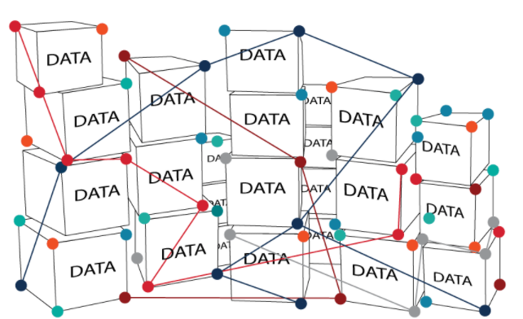
Characteristic of Unstructured Data:
- databases have various data models and they store data in a non-tabular way.
- Almost known as "NoSQL"
- More difficult to search and analyze, as compared to "Structured Data".
- However, it was more flexible to store the data, as compared to traditional structure data storage
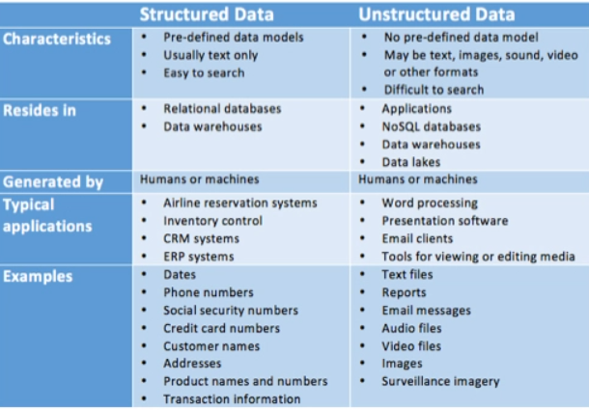

Types of Unstructured Data |  |  | My understandings
1 | Document database: |  | MongoDB database -> produces various cloud database platforms such as: Google Cloud, Huawei Cloud, Youtube, Twitter, Github, Facebook Login, Linkedin Login (Using Mongodb to verify Users)

2 | Column |  | 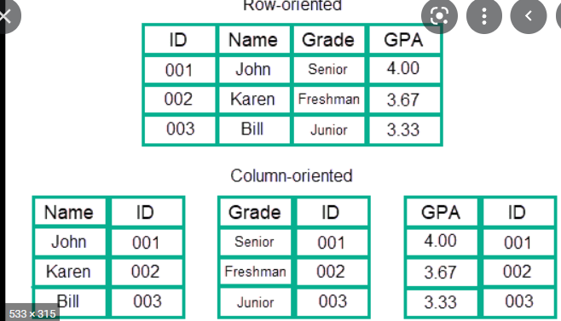 Single Column stores multiple personal information (snapshot below)

3 | 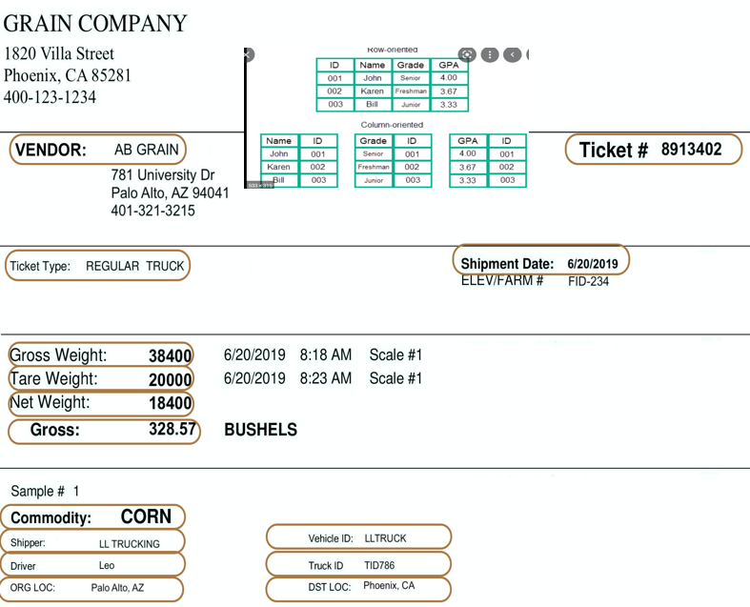 Key Value pair | From PDF Image, able to extract certain information base on the key value search criteria, and ultimately, display the extraction content into certain structured form. |  | 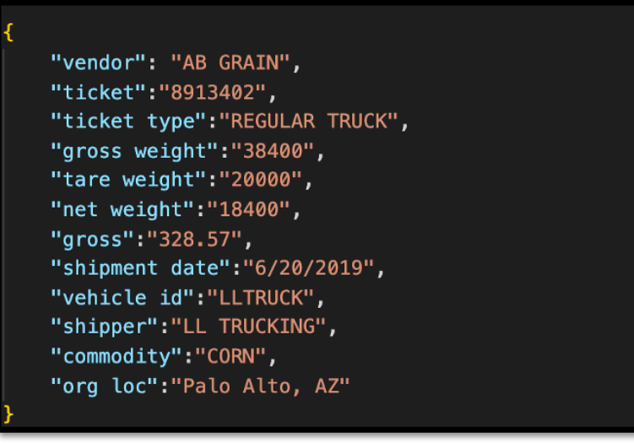

4 | Graph | capable of integrating heterogeneous data from many sources and making links between datasets.

